Sheet1
PICTURES | QTY/CTN |  | CTNS | QUANTITY | G.W /CTN (KGS) | CBM/CTN | KGS | CBM
 | 13 | 30 | 35000 | 455000 | 3.1 | 0.016 | 108500 | 560
 | 4 |  |  | 140000
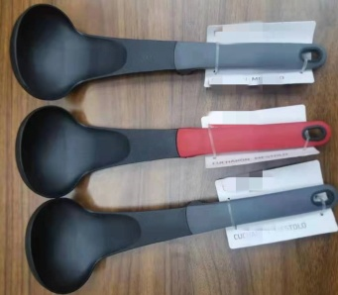 | 3 |  |  | 105000
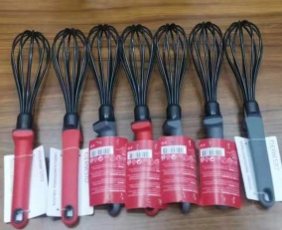 | 7 |  |  | 245000
 | 3 |  |  | 105000
TOTAL: |  |  | 35000 | 1050000 |  |  | 108500 | 560
 |  |  | CTNS | PCS |  |  | KGS | CBM

